FINAL
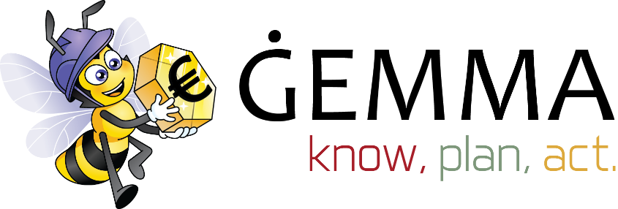 |  |  |  |  |  | How Sound is My Financial Position? Quiz

Fill in the Quiz below:

Criteria:
Never / No | 1 | Rarely | 2 | Half the Time | 3 | Most Times | 4 | Always / Yes | 5

 | Managing Finances
A1 | I use my current account to pay off the bills |  |  |  |  |  |  |  | 1

A2 | I have enough money each month to pay my home (or rent) / car loan, utilities and other household expenses |  |  |  |  |  |  |  | 1

A3 | I have enough money to pay for emergency - say a car repair or the sudden need to replace a washing machine |  |  |  |  |  |  |  | 1

A4 | I have set financial goals for my family in terms of where I want to our financial position to be in the next 5 years |  |  |  |  |  |  |  | 1

A5 | I monthly plan and manage our household budget - both in terms of savings and that our expenditure is focused on needs |  |  |  |  |  |  |  | 1

A6 | I keep good financial records and make use of tools to make sure that our finances are well managed and important documents retrievable |  |  |  |  |  |  |  | 1

 | Managing Savings and Investment
B1 | I save regularily for long term financial goals - education, home, home to rent, etc. |  |  |  |  |  |  |  | 1

B2 | I have invested in a Personal Private Pension to which I contribute annually / monthly |  |  |  |  |  |  |  | 1

B3 | I have at least three month of equivalent income set aside for immediate accessibility if the need arises |  |  |  |  |  |  |  | 1

B4 | I increase my savings when I receive a salary increase |  |  |  |  |  |  |  | 1

B5 | My investments are diversified |  |  |  |  |  |  |  | 1

B6 | My investments are organised in a manner that ensure that the return received is higher than inflation |  |  |  |  |  |  |  | 1

 | Insurance and Planning
C1 | I have insurance to cover unexpected expenses resulting to my home |  |  |  |  |  |  |  | 1

C2 | I have a Power of Attorney on my spouse / partner to ensure smooth management of finances in the event something happens to me |  |  |  |  |  |  |  | 1

C3 | I have a current will. |  |  |  |  |  |  |  | 1

 | Credit
D1 | 20% or less of my monthly gross income goes to pay off my credit |  |  |  |  |  |  |  | 1

D2 | I pay my credit card bills in full to avoid interest charges |  |  |  |  |  |  |  | 1

D3 | I avoid borrowing from one credit card to pay off other credit outstanding payments or loans |  |  |  |  |  |  |  | 1

 | Shopping
E1 | I compare and search out for best deals before I shop |  |  |  |  |  |  |  | 1

E2 | I avoid impulse purchases and do not use shopping as a form of creation or depression buster |  |  |  |  |  |  |  | 1

 |  |  |  |  |  |  | Total |  | 20
Recommendation:
You are doing a fair job of using credit and have taken some steps in the right direction. You still can do better.

For further information and tips how to improve your Financial situation, kindly visit www.gemma.gov.mt

